Indices

 | Iraq Stock Exchange
 | Bulletin No (10)
 | ISX Trading Indices of Monday 19/1/2026

 | Traded Volume and OTC |  | 550,599,761 |  | Traded Value and OTC |  | 1,080,500,319 |  | Traders | 679

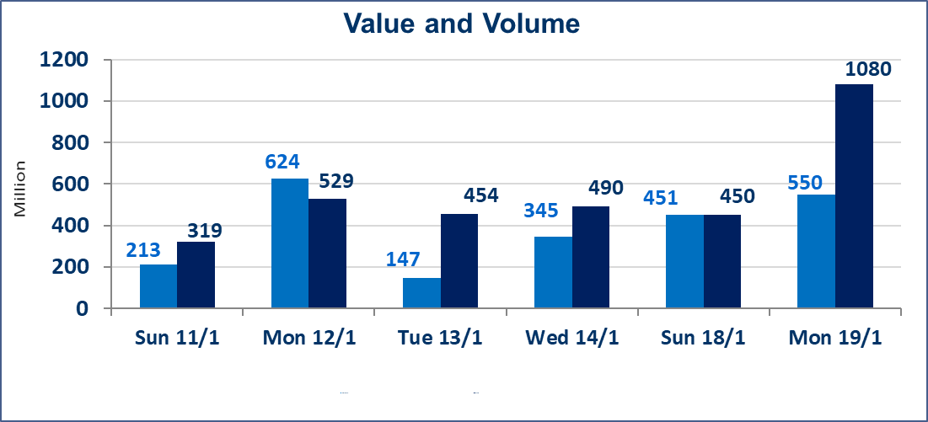
 | ISX Index 60 |  |  | 968.00 | ISX Index 15 |  |  | 1204.70
 | Previous ISX Index60 |  |  | 963.56 | Previous ISX Index15 |  |  | 1198.16
 | Change % |  |  | 0.46 | Change % |  |  | 0.55
 | Change |  |  | 4.44 | Change |  |  | 6.54

 | Listed Companies | 104 | OTC | 14 | Non Traded listed | 42 | OTC | 13
 | Traded Listed Companies | 46 | OTC | 1 | Higher Companies |  |  | 9
 | GAM Companies |  |  | 5 | Lower Companies |  |  | 18
 | Suspended Companies |  |  | 11
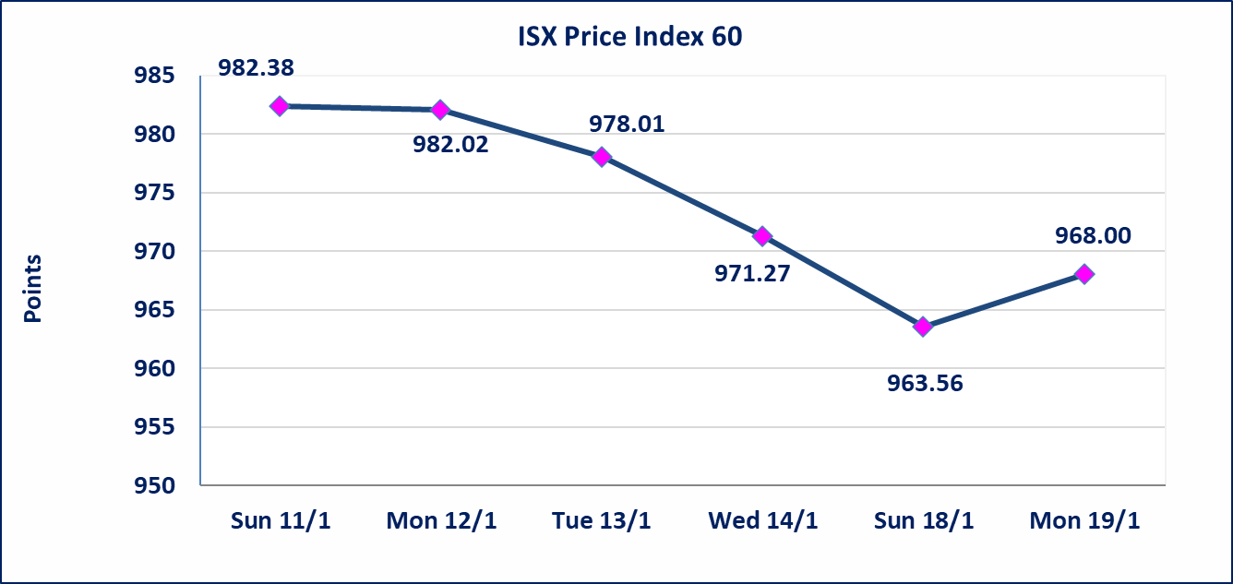
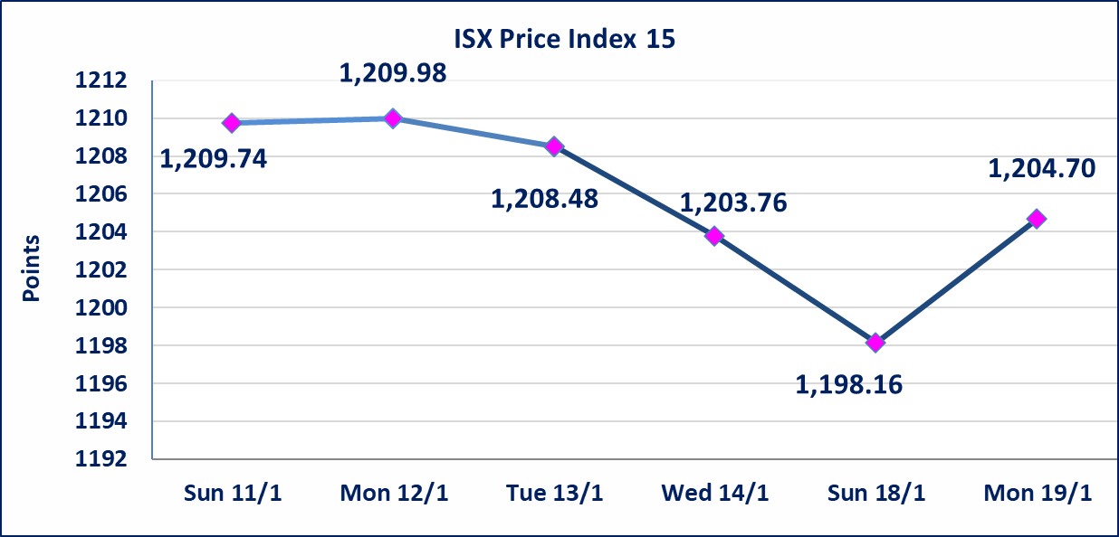

Al-Alwiya P.O . 3607 Mobile: 07711211522 - 07270094594 - 07834000034 E-mail: info-isx@isx-iq.net Web site:www.isx-iq.net

Top 5
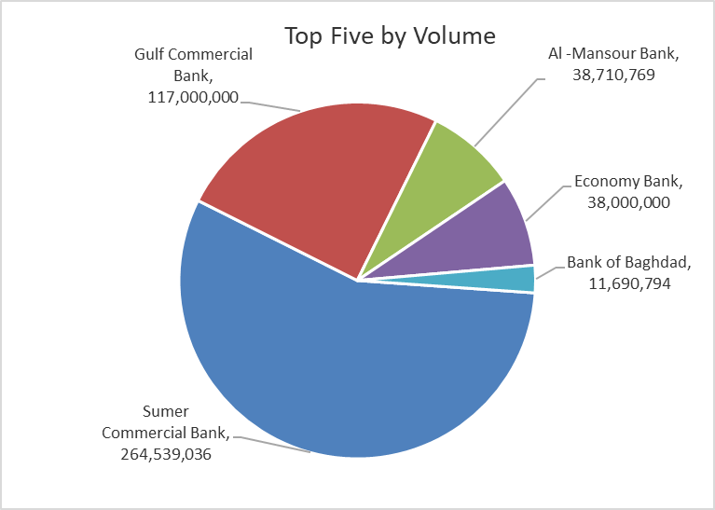
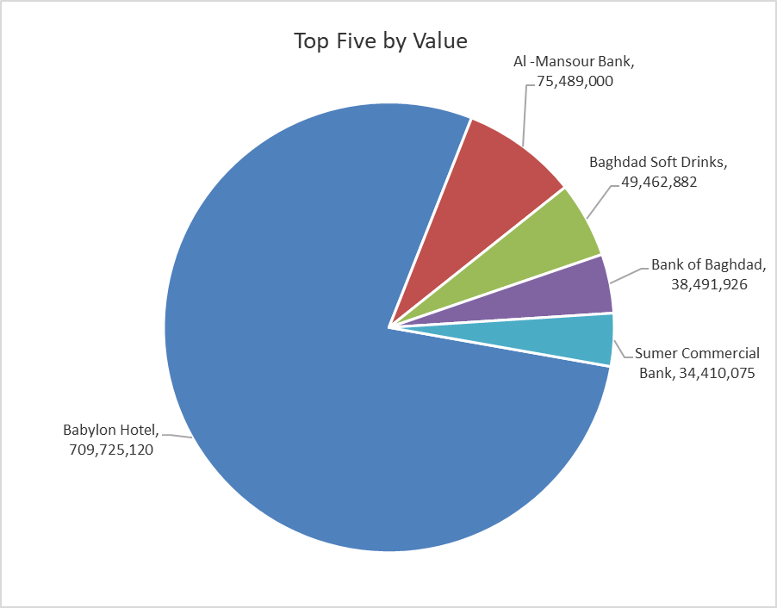

ISX top ganing and losing companies
Monday 19/1/2026
 | Gainers |  |  |  | Losers
 | Company Name | Closing Price | Change (%) | Traded Volume | Company Name | Closing Price | Change (%) | Traded Volume
 | Tourist Village of Mosul dam | 17.510 | 14.97 | 5,000 | Babil Animal & Vegetable Production | 7.800 | -10.34 | 197,905
 | Investment Bank of Iraq | 0.250 | 8.70 | 9,019,596 | Al-Ameen for Insurance | 0.900 | -9.09 | 4,093,406
 | Iraqi Islamic Bank | 1.050 | 5.00 | 4,926,124 | Sumer Commercial Bank | 0.130 | -7.14 | 264,539,036
 | Modern Construction Materials | 1.260 | 5.00 | 983,417 | Baghdad -Iraq Transportation | 23.250 | -7.00 | 199,339
 | International Islamic Bank | 0.250 | 4.17 | 11,450 | Palestine Hotel | 22.700 | -4.98 | 683,600
 | The most active companies in term of traded volume and value

 | Traded Volume |  |  |  | Traded Value
 | Company Name | Closing Price | Change (%) | Traded Volume | Company Name | Closing Price | Change (%) | Traded Value
 | Sumer Commercial Bank | 0.130 | -7.14 | 264,539,036 | Babylon Hotel | 104.000 | 3.99 | 709,725,120
 | Gulf Commercial Bank | 0.280 | 0.00 | 117,000,000 | Al -Mansour Bank | 1.950 | 0.52 | 75,489,000
 | Al -Mansour Bank | 1.950 | 0.52 | 38,710,769 | Baghdad Soft Drinks | 5.700 | -0.35 | 49,462,882
 | Economy Bank | 0.220 | -4.35 | 38,000,000 | Bank of Baghdad | 3.300 | -0.60 | 38,491,926
 | Bank of Baghdad | 3.300 | -0.60 | 11,690,794 | Sumer Commercial Bank | 0.130 | -7.14 | 34,410,075

